Seite 1
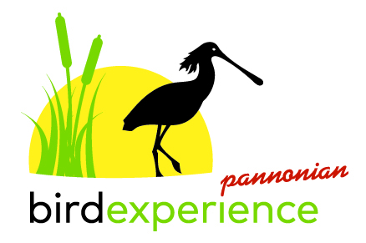
 | Exhibitor Registration |  |  |  | (1/3)
 | Pannonian BirdExperience 2018
 | _____
 | AN EVENT ORGANISED BY THE NEUSIEDLER SEE - SEEWINKEL NATIONAL PARK
 | FAIR 20 - 22 APRIL 2018 / binoculars and telescopes, travel agencies, photographers, equipment
 | PROGRAMME 14 - 22 APRIL 2018 / field trips, guided tours, lectures, workshops

Kindly complete and return by e-mail! We regret that incomplete registration documents cannot be processed.
Registration deadline: 15 January 2018. Please return the completed forms by e-mail to m.kojnek@nationalpark-neusiedlersee-seewinkel.at

 | Packages

 | Packages/stand charges include: exhibiting area, electricity and the promotion of the participating companies on the official Pannonian BirdExperience website and in the BEX-booklet.

 |  | Outdoor-Exhibitor |  |  |  | Company Line of Business/Branch

 | outdoor stand/presentation area
 | Price: € 320,- for three days |  |  |  |  | kämkmn

 |  | Indoor-Exhibitor Sales

 | indoor stand/ presentation area |  |  |  |  | Partners & Subcontractors
 | (the information centre is protected and video-secured) |  |  |  |  | We will promote the following business partner/company
 | Price: € 500,- for three days |  |  |  |  | on our stand (Company name, address and type of products and/or services):

 |  | Indoor-Exhibitor Information & Service |  |  |  | izugli

 | indoor stand/ presentation area
 | (the information centre is protected and video-secured)
 | Price: € 320,- for three days

 |  | Exhibitor for Binoculars, Spotting Scopes & Accessories

 | indoor stand/ presentation area
 | additional outdoor testing and promotion spots (for beachflags,
 | advertisement and binocular testing)
 | (the information centre is protected and video-secured)
 | Price: € 1.320,- for three days

 | Additional packages (optional)

 |  | Product-related Programme |  |  |  |  | Go for a try & Discover

 | Possibilty of organising an individual lecture, field trip or workshop |  |  |  |  | Test and compare a wide range of binoculars and spotting scopes
 | within the BEX programme. All requests will be processed based on |  |  |  |  | at the Zicklacke.
 | the first come, first serve principle. The BEX organisation team reserves |  |  |  |  | Opportunity of being present at a testing tent at the Zicklacke and provide
 | the right to choose and rank the lectures and workshop according |  |  |  |  | information to visitors and customers.
 | to available capacities. |  |  |  |  | The Neusiedler See - Seewinkel National Park is not liable for any damage
 | Detailled information on topics is inevitable! |  |  |  |  | and/or loss of company items.
 |  |  |  |  |  | For landscape protection reasons all advertisement and promotion material
 |  |  |  |  |  | on a daily basis.
 |  |  |  |  |  | This additional package is restricted to exhibitors for
 |  |  |  |  |  | Binoculars, Spotting Scopes & Accessories!
 | Number of individually designed acts/items:

 |  | Lecture(s) | Workshop(s) | Guided tour(s)

 | www.birdexperience.org ● m.kojnek@nationalpark-neusiedlersee-seewinkel.at
 | Nationalpark Informationszentrum, Hauswiese, A-7142 Illmitz, Austria ● Tel. +43 (0) 2175/3442-0, Fax: -4
 | BANK: Raiffeisenbank Illmitz, BIC: RLBBAT2E033, IBAN: AT87 3303 3000 0000 7708

